Sheet1
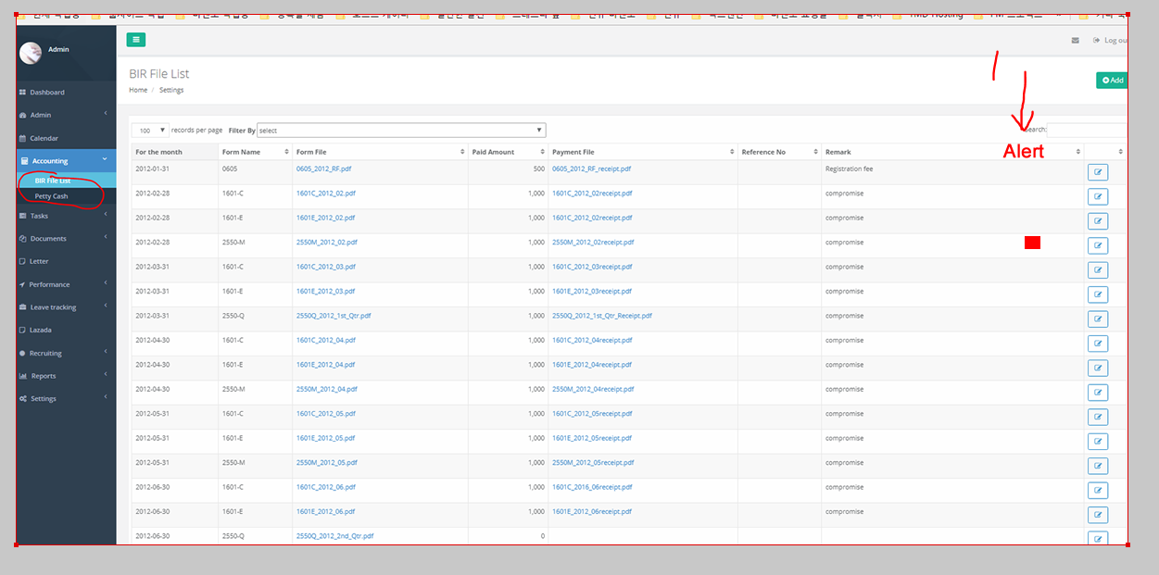
Task1 --> add additional collum " Alert "

 | Alert value will be check value --> default is not checked --> if user make it checked --> it will show square mark -->
Task2 --> BIR file list --> Default sorting will be " For the month " --> latest date will be top

